SRplot_062
GO | gene number | color | SRplot - Science & Research plot
cellular process | 95 | 1 | https://www.bioinformatics.com.cn/plot_basic_horizontal_bar_062_en
metabolic process | 76 | 1
organic substance metabolic process | 75 | 1 | Output figure
primary metabolic process | 73 | 1
nitrogen compound metabolic process | 72 | 1
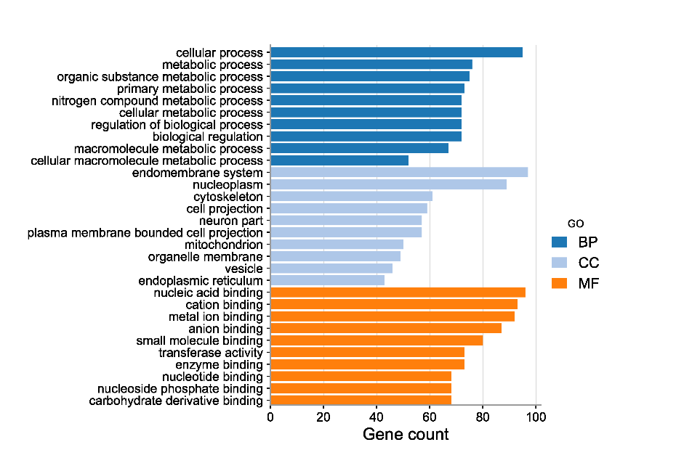
cellular metabolic process | 72 | 1
regulation of biological process | 72 | 1
biological regulation | 72 | 1
macromolecule metabolic process | 67 | 1
cellular macromolecule metabolic process | 52 | 1
endomembrane system | 97 | 2
nucleoplasm | 89 | 2
cytoskeleton | 61 | 2
cell projection | 59 | 2
neuron part | 57 | 2
plasma membrane bounded cell projection | 57 | 2
mitochondrion | 50 | 2
organelle membrane | 49 | 2
vesicle | 46 | 2
endoplasmic reticulum | 43 | 2
nucleic acid binding | 96 | 3
cation binding | 93 | 3
metal ion binding | 92 | 3
anion binding | 87 | 3 | Note:
small molecule binding | 80 | 3
transferase activity | 73 | 3
enzyme binding | 73 | 3 | Questions or Cooperations, Contact us:
nucleotide binding | 68 | 3 | ding@bioinformatics.com.cn
nucleoside phosphate binding | 68 | 3
carbohydrate derivative binding | 68 | 3

